Perception
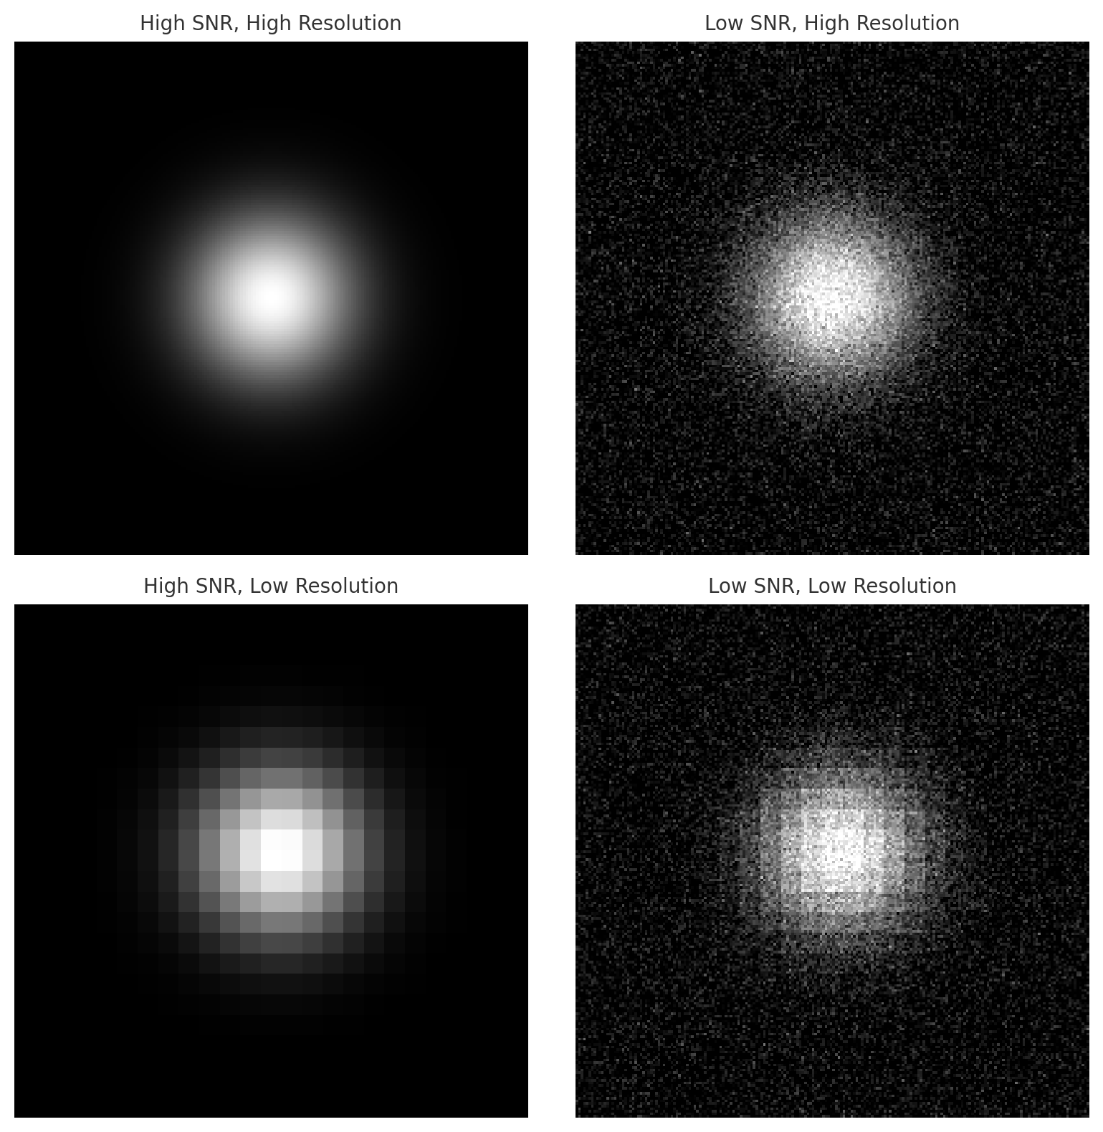
Perception |  |  |  |  |  |  | Supporting Graphics
Types | Sense | Type | Quantification Parameter | Relative Perception Uncertainty | RPU | direct perception vs estimated perception
Visual | visible light stimuli | Visual | RPU | Range | R | what wavelength within defined parameter
Auditory | sound waves |  | R | Coverage | C | physical and spatial length
Tactile | touch |  | C | Resolution | Re | detail of the perceived sense
Olfactory | odor |  | Re | Signal-to-noise ratio | SNR | clarity
Gustatory | taste |  | SNR | Robustness | Ro | capability to function in multiple environments
Chemical | chemical substance detection |  | Ro
Haptic | touch and movement | Auditory | RPU
Force and Torque | mechanical forces |  | R
Thermal | temperature |  | C
Pressure | pressure |  | Re
Humidity | mositure |  | SNR
Radiation | ionizing radiation |  | Ro
Electric Field | electric field | Tactile | RPU
Magentic Field | magnetic field |  | R
Proprioception | relative positioning |  | C
Radar | radio waves |  | Re
Microwave |  |  | SNR
Infrared |  |  | Ro
UV |  | Olfactory | RPU
X-ray |  |  | R
Gamma Ray |  |  | C
Seismic / Vibration |  |  | Re
 |  |  | SNR
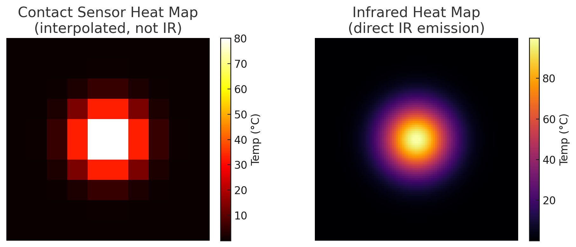
22 senses |  |  | Ro
 |  | Gustatory | RPU
 |  |  | R
 |  |  | C
 |  |  | Re
 |  |  | SNR
 |  |  | Ro
 |  | Chemical | RPU
 |  |  | R
 |  |  | C
 |  |  | Re
 |  |  | SNR
 |  |  | Ro
 |  | Haptic | RPU
 |  |  | R
 |  |  | C
 |  |  | Re
 |  |  | SNR
 |  |  | Ro
 |  | Force and Torque | RPU
 |  |  | R
 |  |  | C
 |  |  | Re
 |  |  | SNR
 |  |  | Ro
 |  | Thermal | RPU
 |  |  | R
 |  |  | C
 |  |  | Re
 |  |  | SNR
 |  |  | Ro
 |  | Pressure | RPU
 |  |  | R
 |  |  | C
 |  |  | Re
 |  |  | SNR
 |  |  | Ro
 |  | Humidity | RPU
 |  |  | R
 |  |  | C
 |  |  | Re
 |  |  | SNR
 |  |  | Ro
 |  | Radiation | RPU
 |  |  | R
 |  |  | C
 |  |  | Re
 |  |  | SNR
 |  |  | Ro
 |  | Electric Field | RPU
 |  |  | R
 |  |  | C
 |  |  | Re
 |  |  | SNR
 |  |  | Ro
 |  | Magentic Field | RPU
 |  |  | R
 |  |  | C
 |  |  | Re
 |  |  | SNR
 |  |  | Ro
 |  | Proprioception | RPU
 |  |  | R
 |  |  | C
 |  |  | Re
 |  |  | SNR
 |  |  | Ro
 |  | Radar | RPU
 |  |  | R
 |  |  | C
 |  |  | Re
 |  |  | SNR
 |  |  | Ro
 |  | Microwave | RPU
 |  |  | R
 |  |  | C
 |  |  | Re
 |  |  | SNR
 |  |  | Ro
 |  | Infrared | RPU
 |  |  | R
 |  |  | C
 |  |  | Re
 |  |  | SNR
 |  |  | Ro
 |  | UV | RPU
 |  |  | R
 |  |  | C
 |  |  | Re
 |  |  | SNR
 |  |  | Ro
 |  | X-ray | RPU
 |  |  | R
 |  |  | C
 |  |  | Re
 |  |  | SNR
 |  |  | Ro
 |  | Gamma Ray | RPU
 |  |  | R
 |  |  | C
 |  |  | Re
 |  |  | SNR
 |  |  | Ro
 |  | Seismic / Vibration | RPU
 |  |  | R
 |  |  | C
 |  |  | Re
 |  |  | SNR
 |  |  | Ro

Mobility
Solid Surfaces |  |  | Location: Documents/GitHub/phd-research-resilience-potnetial/
Inclinations | Texture | Solid Surface | terrain_maps.py
Flat | Smooth | Firm
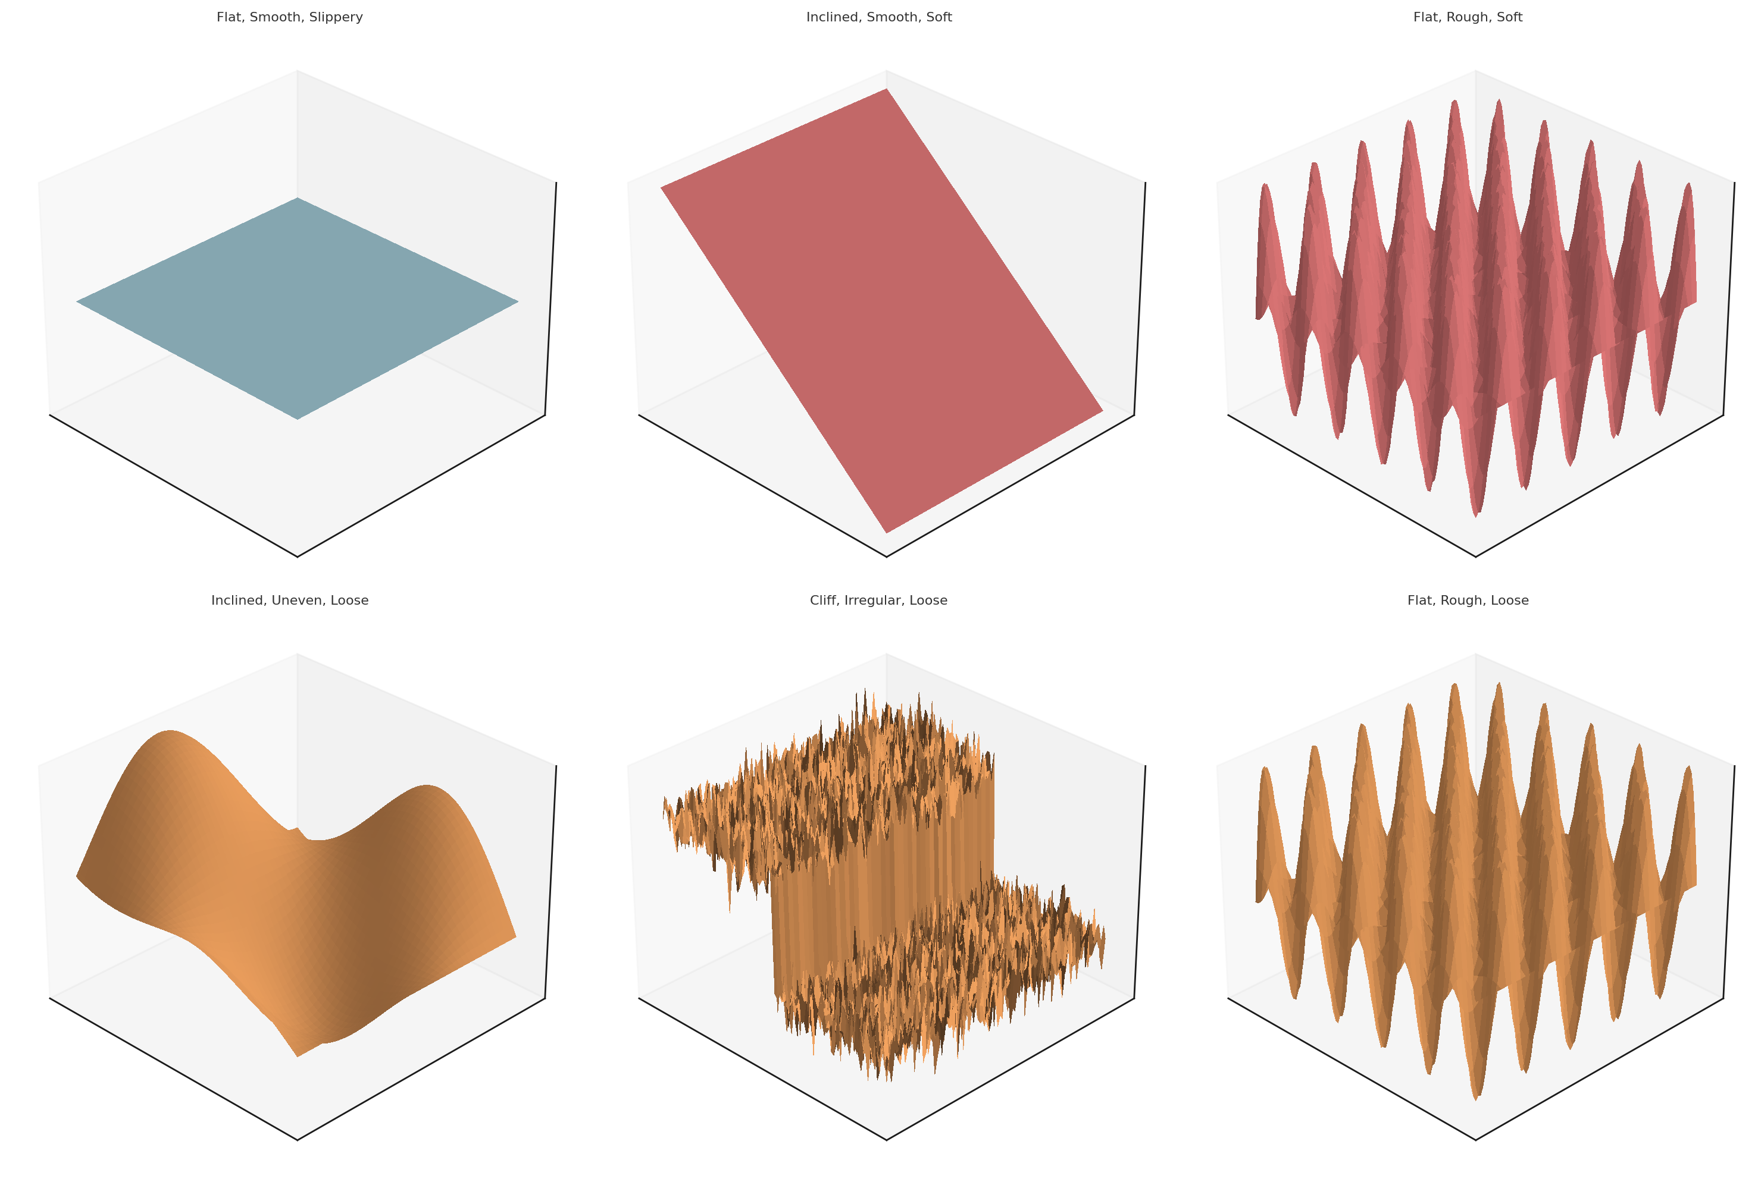
Inclined | Rough | Soft
Cliff | Uneven | Loose
 | Irregular | Slippery

Liquid Surfaces
Viscosity | Depth
Low | Surface
Medium | Shallow
High | Intermediate
 | Deep

Gas
Density | Pressure
Low | Low
Medium | Medium
High | High

Vaccum

